UFS
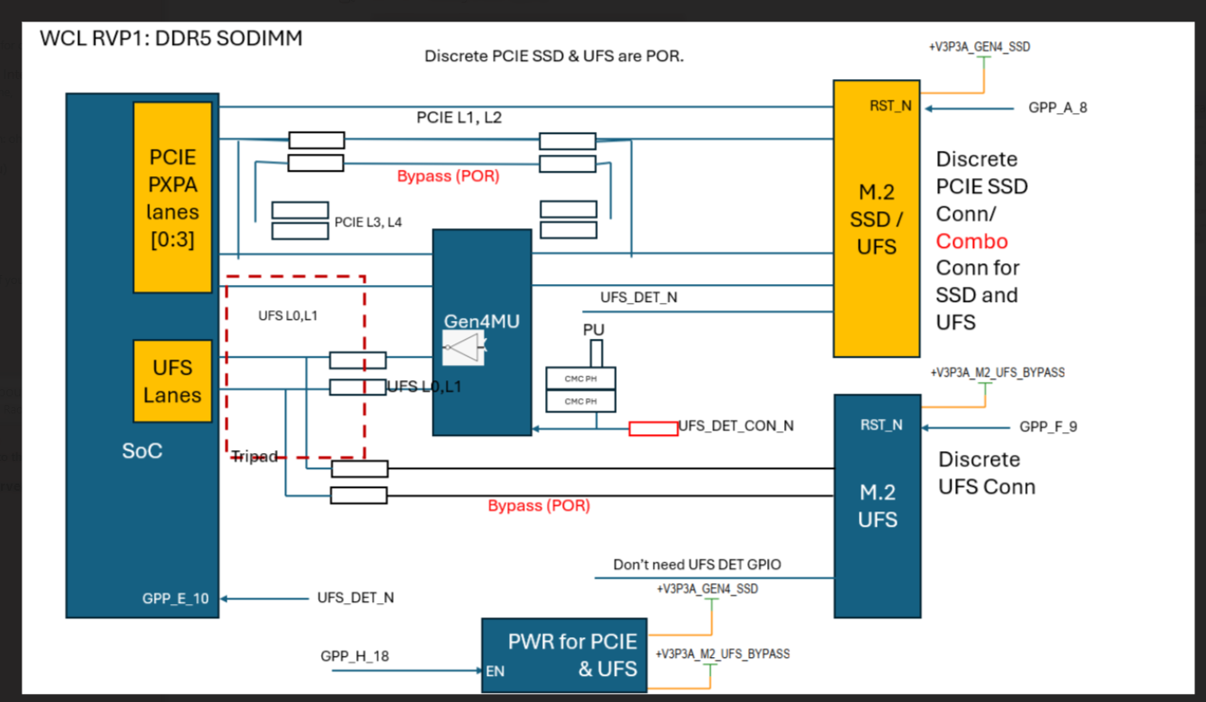
Controller | FIA | Board Config | Speed | UFS REF CLK (Default: Native for UFS CLK) | PWR EN for PCIE and UFS power | UFS Reset GPIO (Dir: Out) Active low (toggle from High to Low, and do not stay high) | UFS Present Detection GPIO (Dir: In) | RTD3 | Remarks
UFS3.x | NA | Discrete (POR) | UFS3.x G4 | GPP_D_21_UFS_REFCLK | GPP_H_18 | GPP_F_9 | N/A | N/A | BOM ID: all BOM ID except 100 for ERB & RVP1
UFS3.x | NA | Combo (Rework) | UFS3.x G4 | GPP_D_21_UFS_REFCLK | GPP_H_18 | GPP_A_8 (Share with PCIE SSD) | GPP_E_10 (High: PCIE PHY Low: UFS PHY) | N/A | BOM ID: 100 for ERB & RVP1
 |  |  |  |  |  | Learning from PTL for UFS RST GPIO.

 | expected behavior of the PHY
Board Config | GPP_E_10 | GPP_E_10 input | PCIE PHY | UFS PHY | Connector
Discrete (POR) | Don't care | Don't care | Enabled | Enabled | dedicated M.2 SSD conn & M.2 UFS conn
Combo (Rework) | Enabled | HIGH | Enabled | Disabled | Only M.2 SSD conn
 |  | LOW | Disabled | Enabled

For RVP2 GPIO Platform mapping Doc only:
Controller | FIA | Board Config | Speed | UFS REF CLK (Default: Native for UFS CLK) | PWR EN for PCIE and UFS power | UFS Reset GPIO (Dir: Out) | UFS Present Detection GPIO (Dir: In) | RTD3 | Remarks
UFS3.x | NA | for RVP2 (Discrete) | UFS3.x G4 | GPP_D_21_UFS_REFCLK | PM_SLP_S3 | GPP_F_9 | N/A | N/A | BOM ID: all RVP2

Rework_Config
Rework (x4 CEM config on PXPC) enabling
No change in PCIE config
N SILICON - WCL - Spec | RVP | BIOS/RVP | RVP | RVP | RVP | BIOS | BIOS | SPEC | BIOS/RVP | BIOS/RVP | RVP | RVP | BIOS
N SILICON Bump Name - WCL | Rework Option2 | PadRstCfg | Pmode | GpioDir | GPIOTxState | GPIRoutConfig - Sx | GPIRoutConfig - S0ix (Only if applicable) | IRQ No | RxEvCfg | RxINV | Term | Pad Voltage | Pad SW Ownership
GPP_F_10_A_ISH_GP_6 | X4_PCIE_SLOT_PWR_EN | GPIO reset | GPIO | OUT | High | NA | NA | RO - 52h | NA | NA | NA | 1.8V | NA
GPP_A_8_OSSE_SMLCLK | X4_PCIE_SLOT2_PWR_EN | GPIO reset | GPIO | OUT | High | NA | NA | RO - 19h | NA | NA | NA | 1.8V | NA

Rework (4x1 MCIO AoB on PXPB (Gen4 M.2 slot)) enabling

NA for N-1 Interposer
N SILICON - WCL - Spec | RVP | BIOS/RVP | RVP | RVP | RVP | BIOS | BIOS | SPEC | BIOS/RVP | BIOS/RVP | RVP | RVP | BIOS
N SILICON Bump Name - WCL | Rework Option2 | PadRstCfg | Pmode | GpioDir | GPIOTxState | GPIRoutConfig - Sx | GPIRoutConfig - S0ix (Only if applicable) | IRQ No | RxEvCfg | RxINV | Term | Pad Voltage | Pad SW Ownership
GPP_A_10_OSSE_SMLALERT_B | PCIE4_P1_PERST_N | GPIO reset | GPIO | OUT | High | NA | NA | RO - 1Bh | NA | NA | NA | 1.8V | NA | same
GPP_E_3_CPU_GP_0 | PCIE4_P2_PERST_N | GPIO reset | GPIO | OUT | High | NA | NA | RO - 5Dh | NA | NA | NA | 1.8V | NA | same
GPP_D_3_CPU_GP_1 | PCIE4_P3_PERST_N | GPIO reset | GPIO | OUT | High | NA | NA | RO - 5Fh | NA | NA | NA | 1.8V | NA | same
GPP_A_11 | PCIE4_P4_PERST_N | GPIO reset | GPIO | OUT | High | NA | NA | RO - 1Ch | NA | NA | NA | 1.8V | NA | same
GPP_B_5_BK_1_SBK_1_ISH_GP_1 | PCIE4_P1_PWREN | GPIO reset | GPIO | OUT | High | NA | NA | RO - 47h | NA | NA | NA | 1.8V | NA
GPP_A_9_OSSE_SMLDATA | PCIE4_P2_PWREN | GPIO reset | GPIO | OUT | High | NA | NA | RO - 1Ah | NA | NA | NA | 1.8V | NA
GPP_E_2_CPU_GP_3_VRALERT_N_ISH_GP_10 | PCIE4_P3_PWREN | GPIO reset | GPIO | OUT | High | NA | NA | RO - 5Ch | Level | Inverted | NA | 1.8V | ACPI
GPP_B_9_DDSP_HPD1_DISP_MISC1 | PCIE4_P4_PWREN | GPIO reset | GPIO | OUT | High | NA | NA | RO - 4Bh | NA | NA | NA | 1.8V | NA
GPP_H_4_I2C2_SDA_CNV_MFUART2_RXD | PCIE4_P1_PRSNT_N | Deep GPIO reset | GPIO | IN | NA | GPIOIRoutSCI | NA | RO - 27h | NA | NA | NA | 1.8V | NA
GPP_E_7_DDPA_CTRLCLK | PCIE4_P2_PRSNT_N | Deep GPIO reset | GPIO | IN | NA | GPIOIRoutSCI | NA | RO - 61h | NA | NA | NA | 1.8V | NA
GPP_B_17 | PCIE4_P3_PRSNT_N | Deep GPIO reset | GPIO | IN | NA | GPIOIRoutSCI | NA | RO - 53h | Level | Inverted | NA | 1.8V | GPIO Driver
GPP_H_5_I2C2_SCL_CNV_MFUART2_TXD | PCIE4_P4_PRSNT_N | Deep GPIO reset | GPIO | IN | NA | GPIOIRoutSCI | NA | RO - 28h | NA | NA | NA | 1.8V | NA
GPP_B_20_I2C5A_SDA_CNV_MFUART0_RTS_N_ISH_GP_8 | PCIE4_P1_WAKE_N | Deep GPIO reset | GPIO | IN | NA | GPIOIRourSCI | NA | RO - 56h | NA | NA | NA | 1.8V | NA
GPP_B_25_ESPI_ALERT1_B | PCIE4_P2_WAKE_N | Deep GPIO reset | GPIO | IN | NA | GPIOIRoutSCI | NA | RO - 5Bh | Level | Inverted | NA | 1.8V | ACPI
GPP_E_2_CPU_GP_3_VRALERT_B_ISH_GP_10 | PCIE4_P3_WAKE_N | Deep GPIO reset | GPIO | IN | NA | GPIOIRoutSCI | NA | RO - 5Ch | Level | Inverted | NA | 1.8V | ACPI
GPP_A_12 | PCIE4_P4_WAKE_N | Deep GPIO reset | GPIO | IN | NA | GPIOIRoutSCI | NA | RO - 1Dh | Level | Inverted | NA | 1.8V | ACPI
GPP_C_10_SRCCLKREQ1_B | PCIE4_P1_CLKREQ_HDR_N | Default | Native F1 | NA | NA | NA | NA | RO - 34h | NA | NA | NA | NA | NA
GPP_C_11_SRCCLKREQ2_B | PCIE4_P2_CLKREQ_HDR_N | Default | Native F1 | NA | NA | NA | NA | RO - 35h | NA | NA | NA | NA | NA
GPP_C_13_SRCCLKREQ4_B | PCIE4_P3_CLKREQ_HDR_N | Default | Native F1 | NA | NA | NA | NA | RO - 37h | NA | NA | NA | NA | NA
GPP_C_9_SRCCLKREQ0_B | PCIE4_P4_CLKREQ_HDR_N | Default | Native F1 | NA | NA | NA | NA | RO - 33h | NA | NA | NA | NA | NA

PCIe Controller | FIA | USB3.2 Host Port # | Gbe # | PCIe Gen3/ 4/ 5 Port # | Root Port# | LNREV | RPCFG | Board Config | Speed | ClkReq # | ClkSrc # | Connector type | Remarks
PCIe Gen4 PXPA | FIA_P |  |  | PCIe4_P1 | 1 (PXPA1) | No | 1x4 | PCIe | Gen4 | CLKREQ3 | CLKSRC3 | SSD (M.2) | Gen4 M.2 SSD (This connector is planned to use with MCIO AoB)
 |  |  |  | PCIe4_P2 | 2 (PXPA2) |  | 1x4 | PCIe
 |  |  |  | PCIe4_P3 | 3 (PXPA3) |  | 1x4 | PCIe
 |  |  |  | PCIe4_P4 | 4 (PXPA4) |  | 1x4 | PCIe
PCIe Gen4 PXPC | FIA_XG |  |  | PCIe4_P1 | 5 (PXPC1) | No | 1x2 | PCIe | Gen4 | CLKREQ2 | CLKSRC2 | x4 CEM Slot | x4 PCIe slot
 |  |  | GbE | PCIe4_P2 | 6 (PXPC2) |  | 1x2 | PCIe

Enabling Touch panels(THC0 and THC1) with LPSS I2C
No change in HSIO config
N SILICON - WCL - Spec | RVP | BIOS/RVP | RVP | RVP | RVP | BIOS | BIOS | SPEC | BIOS/RVP | BIOS/RVP | RVP | RVP | BIOS
N SILICON Bump Name - WCL | Rework Option | PadRstCfg | Pmode | GpioDir | GPIOTxState | GPIRoutConfig - Sx | GPIRoutConfig - S0ix (Only if applicable) | IRQ No | RxEvCfg | RxINV | Term | Pad Voltage | Pad SW Ownership
GPP_E_7_DDPA_CTRLCLK | TCH_PNL2_PWR_EN | GPIO reset | GPIO | OUT | High | NA | NA | RO - 61h | NA | NA | NA | 1.8V | NA
GPP_E_16_THC0_SPI1_RST_B | THC0_SPI1_RST_N_TCH_PNL1 | GPIO reset | GPIO | OUT | High | NA | NA | RO - 6Ah | NA | NA | NA | 1.8V | NA
GPP_E_18_THC0_SPI1_INT_B | THC0_SPI1_INT_N_TCH_PNL1 | Default | GPIO | IN | NA | GPIRoutIoapic | NA | RO - 6Ch | Edge | Inverted | NA | 1.8V | NA
GPP_F_16_THC1_SPI2_RST_B_A_GSPI0_CLK | THC1_SPI2_RST_N_TCH_PNL2 | GPIO reset | GPIO | OUT | High | NA | NA | RO - 52h | NA | NA | NA | 1.8V | NA

 | Will update this tab in next revision

DISP
N-1 SILICON Bump Name - PTL-UH |  |  |  |  |  | N SILICON Bump Name - WCL |  |  | N-1_Interposer_to_ERB mapping config
Ports | DDI Port | Remarks | AUX | DDC | HPD | Ports | DDI Port | Connector Type | Remarks | AUX | DDC | HPD
Combo Phy Port A | DDIA | 1:1 Connection | DDIA_AUX | NA | DDSP_HPDALV | Combo Phy Port A | DDIA | eDP | eDP HBR3 speed (default) | DDIA_AUX | NA | DDSP_HPDALV
 |  |  |  |  |  |  |  | HDMI | HDMI 2.1B 6G (rework) | NA | NA | DDSP_HPDALV
TCP Port 2 | TCP2 | Using PTL TCP2 for WCL DDIB Validation | NA | DDP3_CTRLCLK DDP3_CTRLDATA | DDSP_HPD3 | Combo Phy Port A | DDIB | HDMI | HDMI 2.1B 6G (default) | NA | DDPB_CLK/DATA | DDSP_HPDB

DISPLAY_ID (default) | 1000
DISPLAY_ID (rework) | 1010

Note : HDMI 2.1 Redriver : PI3HDX1204CZHEX (Diodes)

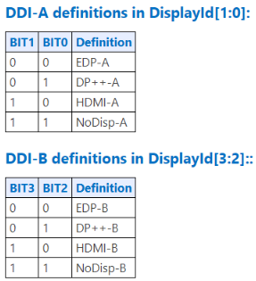

*Note:

